Mitigation Plan
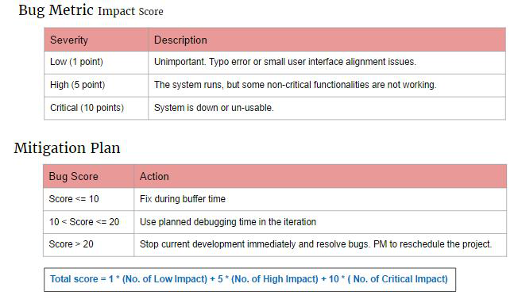

0 | Fix during buffer time
11 | Use planned debugging time in the iteration
21 | Stop current development immediately and resolve bugs. PM to reschedule the project

